1. Identification of project
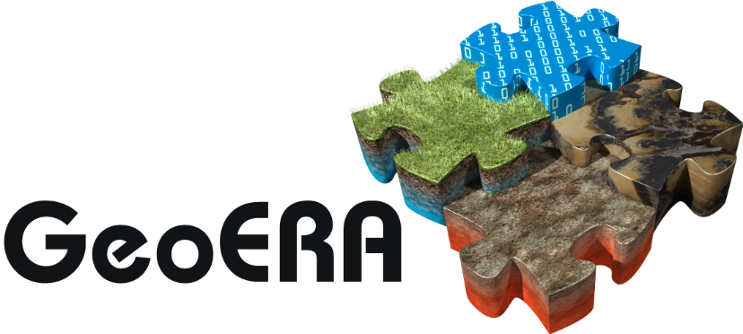

Establishing the European Geological Surveys Research Area to deliver a Geological Service for Europe

ERA-NET Cofund Grant Agreement No: |  |  | 731166
ERA-NET Cofund acronym: |  |  | GeoERA
Call identifier: |  |  | H2020-LCE-2016-2017/H2020-LCE-2016-ERA

 |  | PROJECT PROGRESS REPORT

Project full title:
Project acromyn:
Project reference number:
Project topic:
Project specific recearch topic:
Project website address on geoera.eu:

Period covered |  | from: | to:

Report submission date:
Project Lead:

Contact person for the project:
 | Tel:
 | E-mail:

